1. Title Page
[Project Name]

Project Name: Instacart Basket Analysis
Date: 03/27/2024
Analyst Name: Azmat Syed

Contents:
Population Flow
Consistency checks
Wrangling steps
Column derivations
Visualizations
Recommendations

2. Population Flow
Title page

Population flow

Exclusion flag
Condition: max_order <
Obervations to be removed:
Final total count of order_products_all:

Orders_products_combined
Orders_products_merged
Orders_products_all

Total: 32435059
Total: 32434489
Total: 32435059

1.) The grey boxes in the first row of the population flow represent the original data sets as they were when you downloaded them. In the Total fields you need to add the count of the rows when you imported the data set into Jupyter.
2.) The second row of boxes (coloured) represents the data sets after you manipulated them, e.g., removed missing values and duplicates. In the Total fields you need to add the count of the rows after conducting these operations. This offers a visual oveview of how the data flows throughout the data consistency checks.
3.) The third row, where also the arrows are coloured, represents the merges you performed between the datasets. In the Total fields you need to add the count of the rows in the merged datasets, so that you end up with the final dataset (in the red box). Keep in mind the final dataset should be without exclusions (based on the exclusion flag).

3. Consistency checks
 |  |  |  | Title page
Consistency checks

Dataset | Missing values | Missing values treatment | Duplicates
orders | days_since_prior_order column has 206209 missing values | With 206,209 observations containing missing values, simply deleting them poses risks. Thus, I propose creating a new dataframe comprising only observations without null values. | None
products | 16 rows in product name | I created subset named df_prods_clean, which is devoid of any missing values. | I deleted 5 duplicates row and created subset named df_prods_clean_no_dups
orders_products_prior | None | None | None
customers

4. Wrangling steps
 |  |  |  | Title page
Wrangling steps

Columns dropped | Columns renamed | Columns' type changed | Comment/Reason
orders eval_set column dropped
 | orders column 'order_dow' renamed to 'order_day_of_week' |  | For better understanding
 |  | orders columns 'order_id', 'user_id', 'order_number', 'order_day_of_week' changed to string | They were in text form
 | orders column 'order_hour_of_day' changed to 'time_of_day' |  | For better understanding

 | Customer 'Surnam' to 'Surname, STATE to State, n_dependants':'Number_of_dependants, fam_status':'family_status' |  | For clarity and better understanding

Customer columns 'First Name' and 'Last Name' dropped |  |  | For security reason

5. Column derivations
 |  |  |  | Title page

Column derivations and aggregations

In this tab you should add tables below that the frequences of flags/label variables that you produced after deriving them. NB: don't do this for continuous variables, only for flags.
Dataset | New column | Column/s it was derived from | Conditions
4.7: df_ords_prods_merge | price_range_loc | Price column | Prices' ≤ 5 = Low-Range Product, 5 < 'Prices' ≤ 15 = Mid-Range Product, 'Prices' > 15 = High- Range Product, None of the above = Not Enough Data
4.7: df_ords_prods_merge | busiest_day | orders_day_of_week | orders_day_of_week' -0 = ' Busiest day' 'orders_day_of_week' -4 = 'Least busy' All other cases = Regularly busy
4.7: df_ords_prods_merge | busiest_period_of_day | order_hour_of_day | order_hour_of_day' = 10, 11, 14, 15, 13, 12, 16, or 9 = 'Most order' 'order_hour_of_day' = 17, 8, 18, 19, 20, 7, 21, or 22 = 'Average Orders' All other cases = 'Fewest Orders'
4.8: ords_prods_merge | max_order | order_number | Loyal customer = max_order > 40, Regular customer = max_order <= 40 & max_order >10, New customer = max_order <=10
4.8: ords_prods_merge | loyalty_flag | max_order | Loyal Customer: Max orders > 40, Regular Customer: 10 < Max orders ≤ 40, New Customer: Max orders ≤ 10
4.8: ords_prods_merge | average_spend | Price column | Generate a new column named "mean_product_price" by grouping data according to 'user_id' and calculating the average of 'prices'.
4.8: ords_prods_merge | spender_flag | average_spend | For customers whose average product price falls below 10, they will be classified as "Low Spenders". Conversely, for those whose average product price is 10 or higher, they will be categorized as "High Spenders".
4.8: ords_prods_merge | order_frequency_flag | Customer_frequency' | Non-frequent customer: Median days between orders > 20, Regular customer: 10 < Median days between orders ≤ 20, Frequent customer: Median days between orders ≤ 10
4.10: df_ords_prods_computed | region | state | Northeast = ['Maine', 'New Hampshire', 'Vermont', 'Massachusetts', 'Rhode Island', 'Connecticut', 'New York', 'Pennsylvania', 'New Jersey'], Midwest = ['Wisconsin', 'Michigan', 'Illinois', 'Indiana', 'Ohio', 'North Dakota', 'South Dakota', 'Nebraska', 'Kansas', 'Minnesota', 'Iowa', 'Missouri'], South = ['Delaware', 'Maryland', 'District of Columbia', 'Virginia', 'West Virginia', 'North Carolina', 'South Carolina', 'Georgia', 'Florida', 'Kentucky', 'Tennessee', 'Mississippi', 'Alabama', 'Oklahoma', 'Texas', 'Arkansas', 'Louisiana'], West = ['Idaho', 'Montana', 'Wyoming', 'Nevada', 'Utah', 'Colorado', 'Arizona', 'New Mexico', 'Alaska', 'Washington', 'Oregon', 'California', 'Hawaii']
4.10: df_ords_prods_computed | low_spender | order_number | reate an exclusion flag to remove low-activity customers from analysis: If max_order < 5, set exclusion flag to 1. Otherwise, set exclusion flag to 0.
4.10: df_ords_prods_computed | age_behavior_mapping | Age | If Age is less than 21: flag as 0, if Age is between 21 & 44: flag as 1, if Age is between 45 & 64: flag as 2 if Age is over 65: flag as 3
4.10: df_ords_prods_computed | income_category_mapping | income | Lower annual income: = 0-50000, Mid annual income: = 50000-100000, Higher annual income: = Over 100000
4.10: df_ords_prods_computed | Single_MF | Gender & family_status | If gender = Male and status is single: flag as 0, If gender = Female and status is single: flag as 1, Else: flag as 2
4.10: df_ords_prods_computed | Adult_Parent | Age, family_status, n_dependents | If family status is married and age range is 21-44 yrs old & total dependants one or more, flag as 1, Else, flag as 0
4.10: df_ords_prods_computed | Married | family_status | If family status is married, flag as 1

6. Visualizations
 |  |  |  | Title page

Visualisations

In this tab you should include all the visualtions from Exercises 4.9 and 4.10, alongside the questions from the project brief that they answer. Include any commentary on the relationship between different variables.

 |  | Busiest days of the week and hours of the day in terms of orders?

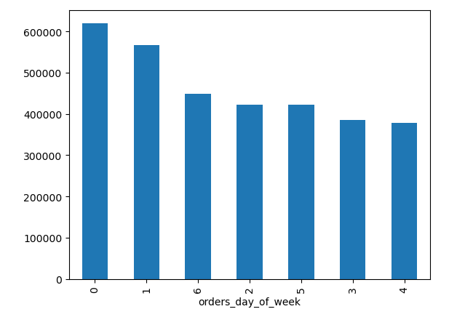
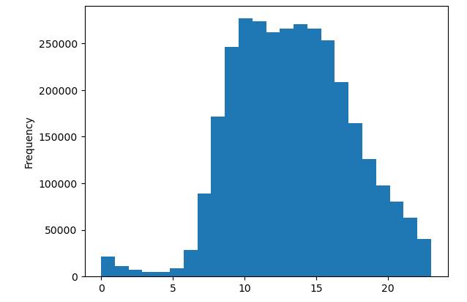

 | Weekends, particularly Saturday, stand out as the busiest days for orders. In contrast, Tuesday and Wednesday see the least activity in terms of orders.
 | Regarding hours, customers tend to favor daytime hours for placing orders, particularly between 9 am and 5 pm, which mark peak times. Nighttime sees significantly fewer orders in comparison.

 |  | How is brand loyalty distributed among users?

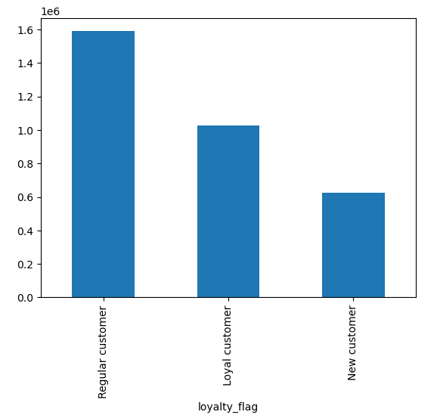

 |  |  | Customers are categorized based on their maximum order count. "New Customers" have a maximum of 10 orders or fewer. "Regular Customers" have between 11 and 40 orders. "Loyal Customers" have more than 40 orders.

 |  | What are the proportions of "Elderly," "Middle-aged," and "Young" individuals based on the provided data?

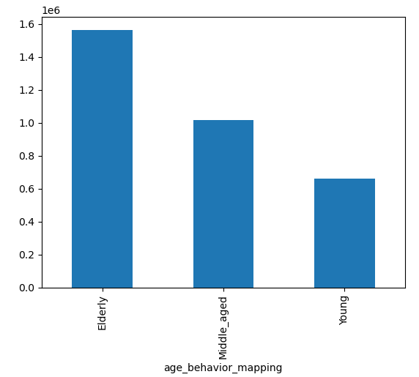
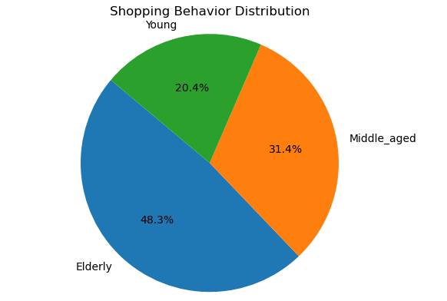

The data reveals that "Elderly" individuals constitute the largest share at approximately 48.2%, followed by "Middle-aged" individuals at 31.3%. "Young" individuals represent the smallest portion, accounting for about 20.4% of the total count.

 |  | What are the percentages of "High Income," "Middle Income," and "Low Income" individuals based on the provided data?

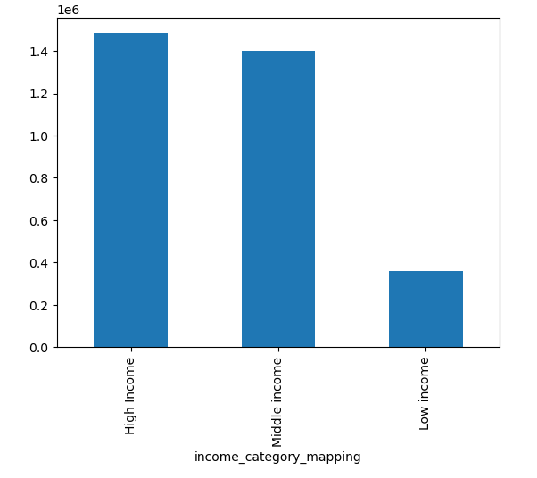
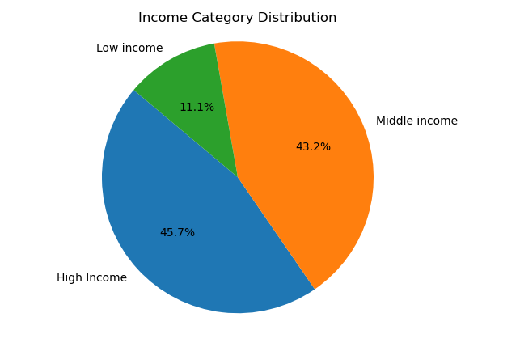

The data reveals that "High Income" individuals account for approximately 45.7% of the total count, while "Middle Income" individuals make up around 43.2%. "Low Income" individuals represent the smallest portion, comprising about 11.1% of the total count.

What are the three customer groups based on their buying habits?

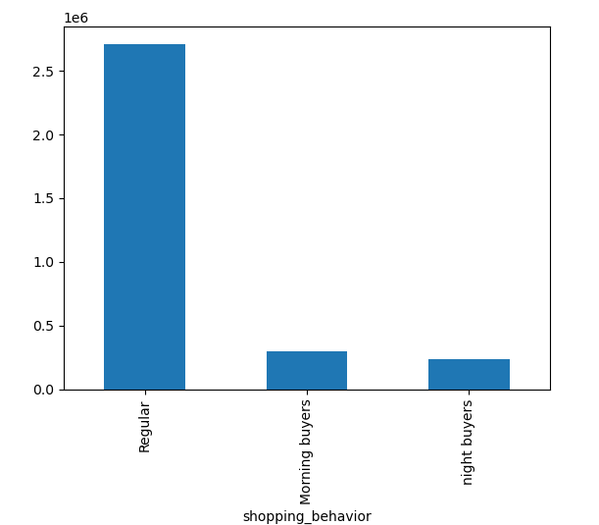

The data shows three types of customers: those who buy regularly, those who buy mostly in the morning, and those who buy mostly at night. Understanding these groups helps businesses adjust their plans to better suit their customers' habits.

 |  | What are the buying habits of customers categorized by loyalty status, and how do these habits vary between "Morning Buyers" and "Night Buyers" across different loyalty categories?

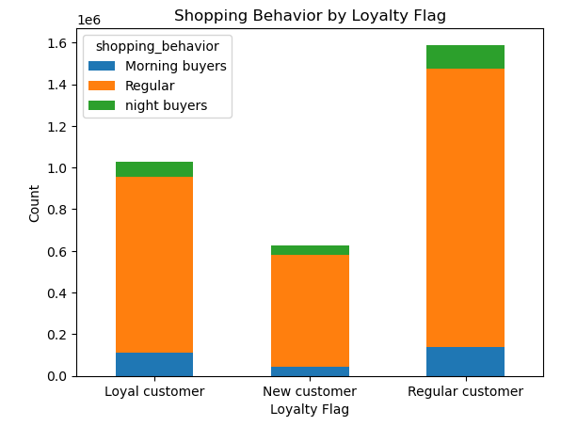

 | The table categorizes customer habits based on loyalty status: "Loyal Customer," "New Customer," and "Regular Customer." "Morning Buyers" are prominent among "Loyal Customers" and "Regular Customers," while "Night Buyers" are prevalent across all loyalty categories. patterns helps businesses adjust their services to match what their customers prefer.

 |  | What are the purchasing behaviors of buyers categorized by department, and how do these behaviors differ between "Morning Buyers," "Night Buyers," and "Regular" customers?

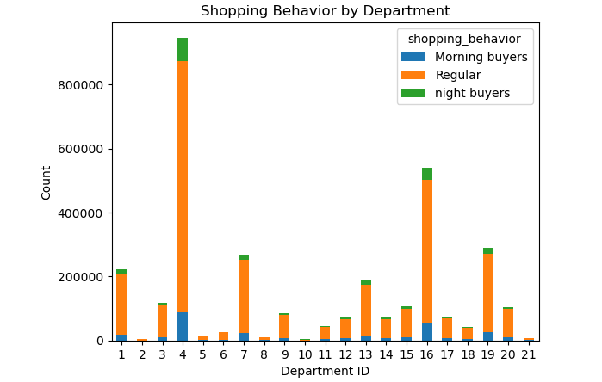

 | The graph illustrates the purchasing behavior of buyers across different departments categorized as "Morning Buyers," "Regular," and "Night Buyers." "Morning Buyers" are most active in the early hours, "Night Buyers" exhibit a preference for shopping during later hours, and "Regular" customers maintain consistent purchasing habits throughout the day.

 |  | What are the differences in customer behavior across regions, specifically regarding the timing of purchases for "Morning Buyers," "Regular" customers, and "Night Buyers"?
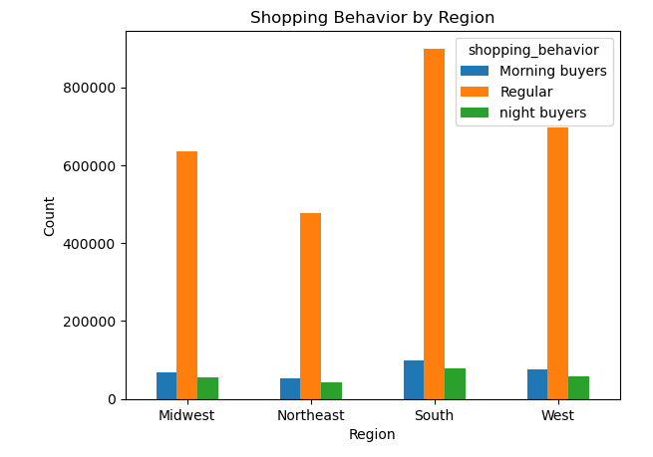

 | Customer behavior varies across regions. In the Midwest and West, Morning Buyers are active early, while Regular buyers maintain consistency throughout the day, and Night Buyers prefer later hours. Similarly, in the Northeast and South, Morning Buyers are early risers, Regular buyers stay steady, and Night Buyers shop later.

7. Recommendations
 | Title page

Recommendations

In this tab you should include any recommendations you would made to Instcart in terms of their marketing strategy based on the questions posed in the brief. Every key question has been covered in the Tasks of the Exercises - here you need to add an item - a visualisation or table/crosstable that is showing the answer in the data, acompanied by a comment from you. Please, list the questions below and add the answer underneath.

Recommendation 1

Optimizing Business Strategies Based on Customer Behavior Patterns.

Since weekends, especially Saturdays, are the busiest days for orders, businesses can capitalize on this by offering special promotions, discounts, or exclusive deals targeted at weekend shoppers. This strategy can help attract more customers and increase sales during peak periods. Given the lower activity levels on Tuesdays and Wednesdays, businesses can focus on boosting engagement and sales during these days. This could involve launching midweek specials, promotions, or marketing campaigns to incentivize purchases and drive traffic during this period. Since customers tend to favor daytime hours for placing orders, businesses can optimize their operating hours to align with peak times, particularly between 9 am and 5 pm. This may involve adjusting staffing levels, inventory management, and delivery schedules to accommodate increased demand during these hours. However, while nighttime orders are fewer in comparison, businesses can still capitalize on this opportunity by offering incentives or promotions targeted at nighttime shoppers. This could include offering discounts or exclusive deals for orders placed during off-peak hours to encourage more nighttime sales.

Recommendation 2

Enhancing Customer Loyalty and Retention Strategies."

To foster repeat purchases from new customers, it is advisable to offer incentives and personalized experiences. Implementing loyalty programs can incentivize regular customers, encouraging them to increase their order frequency. Additionally, showing appreciation for loyal customers through personalized rewards and exclusive perks can further enhance their loyalty. Regularly tracking customer behavior and adjusting strategies accordingly is essential to optimize customer retention and loyalty.

Recommendation 3

Enhancing Business Accessibility and Customer Satisfaction

Develop targeted marketing campaigns tailored to different income brackets. Adjust prices and product offerings to align with different budgets. Provide exclusive offerings for high income customers and attractive deals for others. Offer flexible payment options to accommodate diverse preferences. Engage in community-oriented initiatives to support people in different regions. Implementing these strategies can enhance your business performance and foster greater customer satisfaction.

Recommendation 4

Optimizing Business Strategies for Regional Customer Engagement

Tailor marketing efforts to the behavior patterns of Morning Buyers, Regular buyers, and Night Buyers in each region to maximize engagement. Customize products and services to align with the preferences of customers in different regions, and offer tailored promotions accordingly. Align store hours with peak activity times of customers in each region to ensure accessibility and responsiveness. Foster loyalty and support by engaging with local communities through events and partnerships. Utilize regional sales data analysis to identify trends and refine strategies and offerings. By implementing these strategies, businesses can leverage regional variations in customer behavior to drive growth and success.

